Sheet1
CASE STUDY

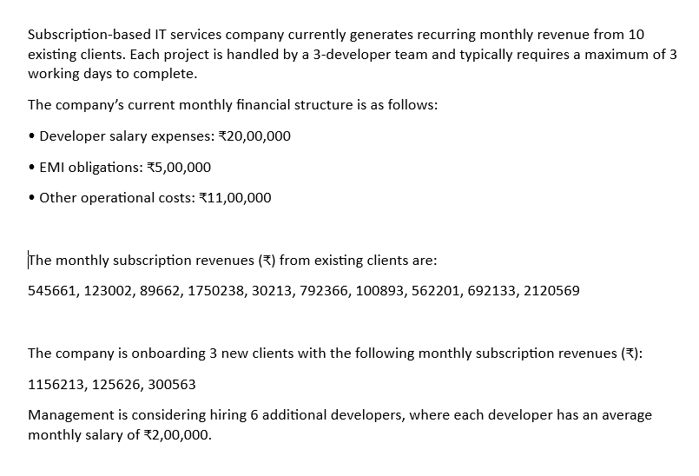

 |  |  |  | TOTAL MONTLY REVENUE | PROJECTED MONTHLY REVENUE | REVENUE INCREASE
 |  |  |  | 6806938 | 8389340 | 1582402

 |  |  |  | CURRENT MONTHLY OPP COST | MONTHLY OPP COST AFTER | INCREASE IN COST
 |  |  |  | 3600000 | 4800000 | 1200000

 |  |  |  | CURRENT PROFIT | PROJECTED PROFIT | INCREASE IN PROFIT
 |  |  |  | 3206938 | 3589340 | 382402

 |  |  |  | CURRENT PROFIT MARGIN | PROJECTED PROFIT MARGIN | CHANGE IN PROFIT MARGIN
 |  |  |  | 47.112784045 | 42.784533706 | -4.3282503389

 |  |  |  | CONCLUSION : Profit Increases in Absolute Terms , But The Profit Margin Decreases

Monthly Revenue | NEW CLIENTS REVENUE | FINANCIAL STRUCTURE |  | Each Project Requires 3 Developers and Max 3 Working Days to Complete
 |  |  |  | So , Each Client Consumes ( 3 dev * 3 days ) = 9 dev Days
545661 | 1156213 | DEVLOPERS SALARY | 2000000
123002 | 125626 | EMI OBLIGATIONS | 500000 | CURRENT WORKLOAD | AFTER ADDING 3 CLIENTS
89662 | 300563 | OTHER COSTS | 1100000 | 10 client * 9 dev days = 90 dev days / month | 13 clients * 9 dev days = 117 dev days / month
1750238 |  | NEW DEV SALARY | 1200000
30213 |  |  |  | CURRENT WORK DAYS / DEV | AFTER ADDING 3 CLIENTS
792366 |  |  |  | (90/3)=30 DAYS / MONTH | (117/3)=39 DAYS / MONTH
100893
562201 |  |  |  | TOTAL EXTRA DEV DAYS AFTER NEW CLIENTS
692133 |  |  |  | 117 - 90 = 27 DAYS
2120569
 |  |  |  | CONCLUSION

 |  |  |  | IF A SINGLE DEVELOPER CAN HANDEL 30 DAYS WORK DAY , THE ADDITIONAL 27 DAYS WILL REQUIRE
 |  |  |  | 1 NEW DEVELOPER , BUT THE EXISTING WORKLOAD IS TOO HIGH AS THE AVERAGE WORKING DAYS IN
 |  |  |  | A MONTH SHOULD BE AROUND 23 DAYS , SO WE CAN SAY THAT THE CURRENT DEVLOPERS ARE WORKING
 |  |  |  | OVERTIME , SO HIRING 2-3 NEW DEVELOPERS WILL BE THE MOST OPTIMAL SOLUTION

 |  |  |  | HIRING 6 NEW DEVELOPERS ARE UNNECESSASRY UNLESS
 |  |  |  | MORE CLIENTS ARE EXPECTED SOON OR DILEVERY DELAYS ARE HAPPENING

 |  |  |  | COST FOR HIRING 3 NEW DEV | TOTAL OPP COST AFTER HIRING | PROFIT AFTER HIRING | INCREASE IN PROFIT | PROFIT MARGIN
 |  |  |  | 2L*3 = 600000 | 4200000 | 4189340 | 982402 | 61.545147025

 |  |  |  | THIS WILL LEAD TO 14% INCREASE IN PROFIT MARGIN , 98K INCREASE IN PROFIT . AND WILL REDUCE THE WORKLOAD OF DEVELOPERS
 |  |  |  | TO 19 DAYS / MONTH

